Sheet1
 | Document No. |  | Issue No. | Issue Date |  |  | Review and Replace Date |  | Authorised By
 | GFF109MC |  | 2 | 27.06.2019 |  |  | 23.07.2020 |  | Magda Shah
 | Document Title |  | Sweet Potato Falafel with Houmous Dip 120g - High Risk
Document amendments reason for change | Falafel has been replaced with Sweet Potato Falafel |  |  | Page 1 of 1 |  | Previous Issue Date |  | 27.06.2019 | Uncontrolled copy unless signed original

CMDFLB1-G6TSP |  | SPAR |  |  | SWEET POTATO FALAFEL WITH HOUMOUS DIP 120g | CHILLED
STEP 1 |  |  |  |  |  | STEP 2
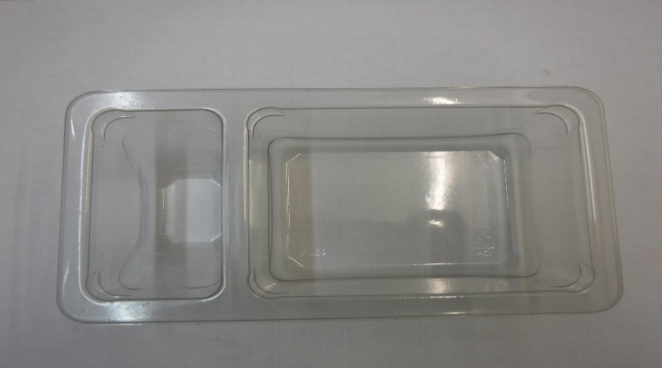 |  |  |  |  |  | 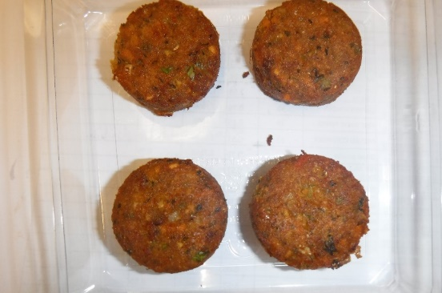
GUS FLASHED PRODUCT

Packaging: Duo-Pot Tray (PKLEE001-01) |  |  |  |  |  | 4 x SWEET POTATO FALAFEL 20g 80g (GFF297R)
Line 2: Mylar 25OLAF - 380mm wide (PKWRA001-02)
Line 1: Mylar 250LAF 250mm x 1000 (PKWRA001-08)
Line 1: K-Peel 75G + AF 25 250mm (PKKMP001-01)
STEP 3 |  |  |  |  |  | STEP 4
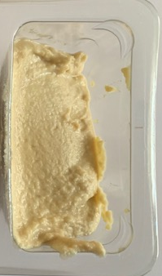 |  |  |  |  |  | 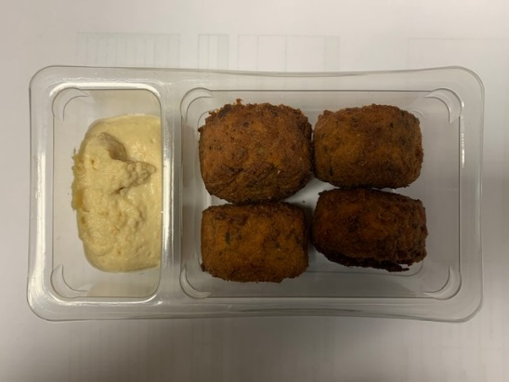 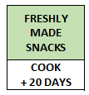 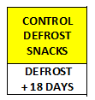

Houmous Dip (RMDIN001-01) 40g |  |  |  |  |  | TOTAL WEIGHT: 120g

ALLERGY ALERT: SESAME, SULPHITE

